Questionnaire - Analysis
Satisfaction vs Control Mode
Position-control | 0.7 | Floating Button | 1.2
Velocity-control | -0.1 | Bezel Swipe | 0.6
 |  | Back Tap | 0
Satisfaction vs Clicking Method

 |  |  |  |  | Satisfaction | Ease of Learning | One-Handed Usage
 |  |  |  | Floating Button | 1.2 | 1.8 | 1.1
 |  |  |  | Bezel Swipe | 0.6 | 1.1 | 0.4
 |  |  |  | Back Tap | 0 | 0.7 | 0.3

Satisfaction, Ease of Learning and One-Handed Usage vs Clicking Method

Floating Button | 1.8 | Floating Button | 1.1
Bezel Swipe | 1.1 | Bezel Swipe | 0.4
Back Tap | 0.7 | Back Tap | 0.3

Ease of Learning vs Clicking Method
One-Handed Usage vs Clicking Method

Experiment Data - Graphs
Descriptives Table Formatted to use for Graphs
Descriptives - Time Taken (s)
Control Method | Clicking Method | Mean | SD | N
Position | Back Tapping | 24.26 | 5.89 | 10
 | Bezel Swiping | 16.12 | 5.554 | 10
 | Floating Button | 15.12 | 4.797 | 10
 | Touch
Velocity | Back Tapping | 18.83 | 5.059 | 10
 | Bezel Swiping | 18.3 | 4.832 | 10
 | Floating Button | 19.65 | 6.494 | 10
 | Touch
Combined P&V | Back Tapping | 21.55 | 6.027 | 20
 | Bezel Swiping | 17.21 | 5.188 | 20
 | Floating Button | 17.39 | 6.024 | 20
 | Touch
Touch | Back Tapping
 | Bezel Swiping
 | Floating Button
 | Touch | 4.746 | 2.08 | 10

Descriptives - Error Count
Control Method | Clicking Method | Mean | SD | N
Position | Back Tapping | 3.5 | 2.224 | 10
 | Bezel Swiping | 3 | 3.496 | 10
 | Floating Button | 0.9 | 1.197 | 10
 | Touch
Velocity | Back Tapping | 3.7 | 3.653 | 10
 | Bezel Swiping | 2.7 | 1.567 | 10
 | Floating Button | 1.2 | 1.814 | 10
 | Touch
Combined P&V | Back Tapping | 3.6 | 2.945 | 20
 | Bezel Swiping | 2.85 | 2.641 | 20
 | Floating Button | 1.05 | 1.504 | 20
 | Touch
Touch | Back Tapping
 | Bezel Swiping
 | Floating Button
 | Touch | 0 | 0 | 10

Descriptive Statistics
 | Time Taken (s)
 | Position | Touch | Velocity
Valid | 30 | 10 | 30
Missing | 0 | 0 | 0 |  | Boxplot was created using JASP
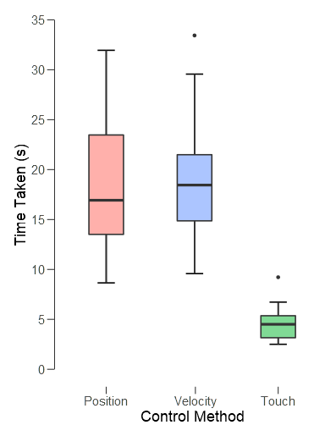
Mean | 18.5 | 4.746 | 18.93
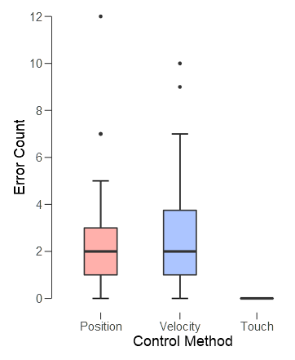
Std. Deviation | 6.695 | 2.08 | 5.348
Minimum | 8.653 | 2.503 | 9.584
Maximum | 31.95 | 9.221 | 33.44

Descriptive Statistics
 | Error Count
 | Position | Touch | Velocity
Valid | 30 | 10 | 30
Missing | 0 | 0 | 0
Mean | 2.467 | 0 | 2.533
Std. Deviation | 2.662 | 0 | 2.649
Minimum | 0 | 0 | 0
Maximum | 12 | 0 | 10

Sheet1
Descriptives - Time Taken (s)
Control Method | Clicking Method | Mean | SD | N
Position | Back Tapping | 24.26 | 5.89 | 10
 | Bezel Swiping | 16.12 | 5.554 | 10
 | Floating Button | 15.12 | 4.797 | 10
 | Touch
Velocity | Back Tapping | 18.83 | 5.059 | 10
 | Bezel Swiping | 18.3 | 4.832 | 10
 | Floating Button | 19.65 | 6.494 | 10
 | Touch
Combined P&V | Back Tapping | 21.55 | 6.027 | 20
 | Bezel Swiping | 17.21 | 5.188 | 20
 | Floating Button | 17.39 | 6.024 | 20
 | Touch
Touch | Back Tapping
 | Bezel Swiping
 | Floating Button
 | Touch | 4.746 | 2.08 | 10

Descriptives - Error Count
Control Method | Clicking Method | Mean | SD | N
Position | Back Tapping | 3.5 | 2.224 | 10
 | Bezel Swiping | 3 | 3.496 | 10
 | Floating Button | 0.9 | 1.197 | 10
 | Touch
Velocity | Back Tapping | 3.7 | 3.653 | 10
 | Bezel Swiping | 2.7 | 1.567 | 10
 | Floating Button | 1.2 | 1.814 | 10
 | Touch
Combined P&V | Back Tapping | 3.6 | 2.945 | 20
 | Bezel Swiping | 2.85 | 2.641 | 20
 | Floating Button | 1.05 | 1.504 | 20
 | Touch
Touch | Back Tapping
 | Bezel Swiping
 | Floating Button
 | Touch | 0 | 0 | 10

Time Taken vs Clicking Method
Back Tapping | 24.26 | 18.83 | 21.55
Bezel Swiping | 16.12 | 18.3 | 17.21
Floating Button | 15.12 | 19.65 | 17.39
Touch |  |  |  | 4.746
Error Count vs Clicking Method
Clicking Method | 3.5 | 3.7 | 3.6
Back Tapping | 3 | 2.7 | 2.85
Bezel Swiping | 0.9 | 1.2 | 1.05

